Sheet7
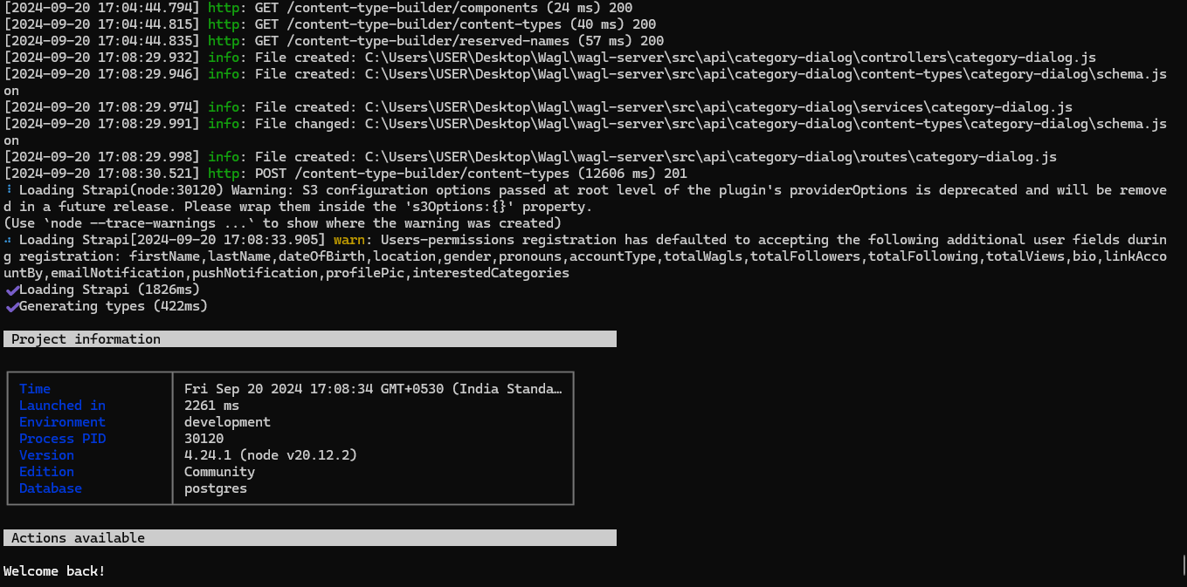

Warning: S3 configuration options passed at root level of the plugin's providerOptions is deprecated and will be removed in a future release. Please wrap them inside the 's3Options:{}' property.

